Sheet1
DATE | INV NO. | DESCRIPTIONS | QTY | BILLS | UNIT PRICE | SUB TOTAL | TOTAL
1-Dec-2025 | SPNO2512004 | JOSE CUERVO GOLD | 3 | 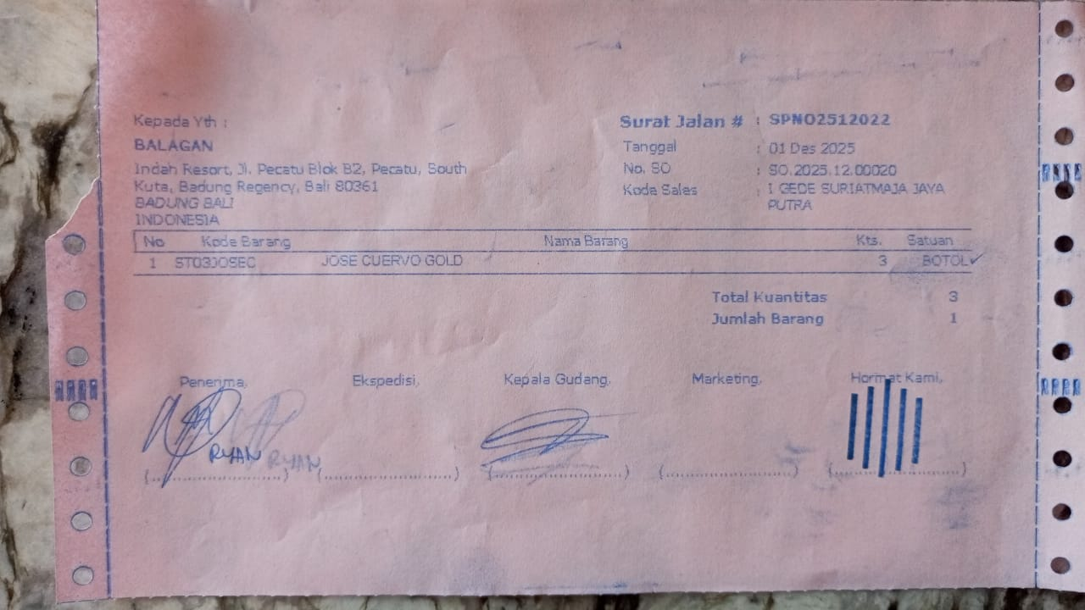 | IDR 425,000 | IDR 1,275,000 | IDR 1,275,000
31-Dec-2025 | SPNB25123393 | LIMO APERITIVO 500 ML | 5 | 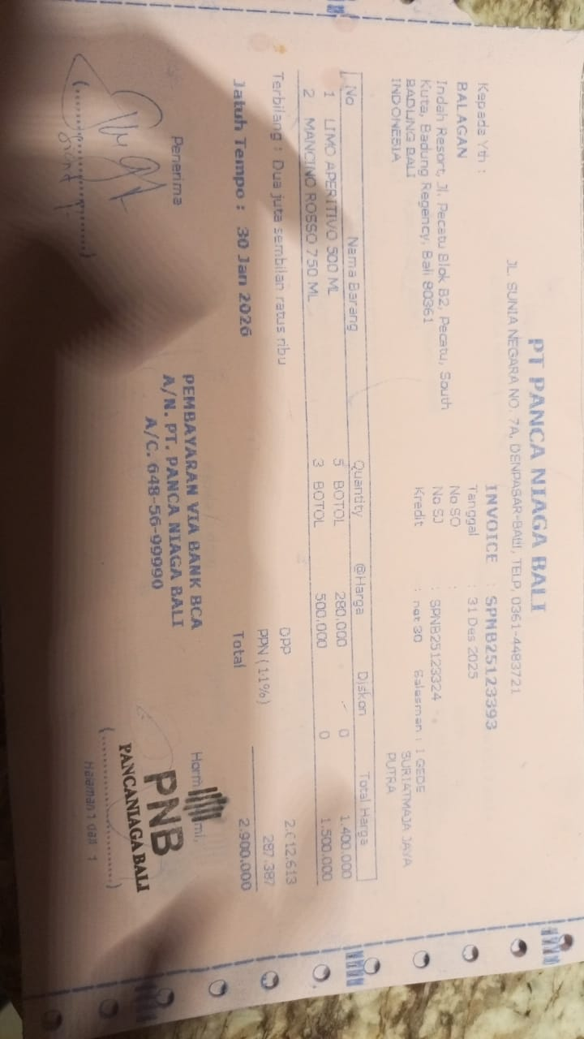 | IDR 280,000 | IDR 1,400,000 | IDR 2,900,000
 |  | MANONO ROSSO 750 ML | 3 |  | IDR 500,000 | IDR 1,500,000
 |  |  |  |  |  | IDR -
 |  |  |  |  |  | IDR - | IDR -
 |  |  |  |  |  |  | Rp4,175,000

